DashBoard
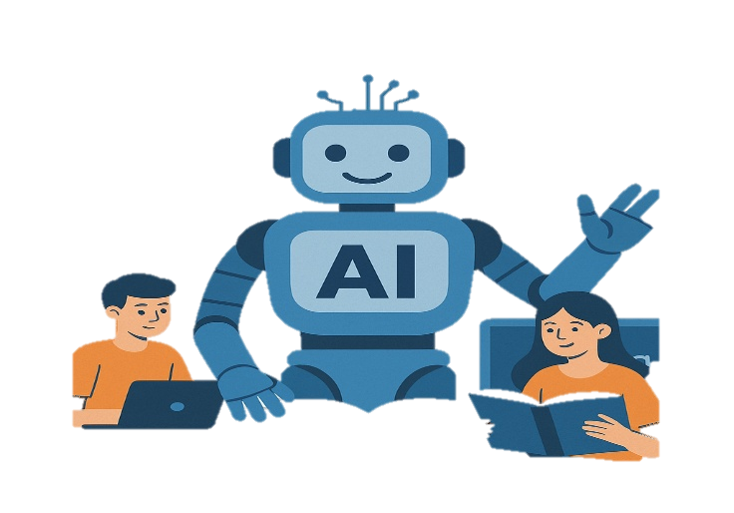
AI IMPACT ON STUDENT PERFORMANCE
AI usage, Learning Behaviour & Acadamic Performance Analysis

Avg AI Usage
Avg Study
Pass Rate
Avg Final Score
Avg Improvement
Total Students
AI User
88.99
3.3
88.93%
56.81
10.13
8000
6638
Students
Time
Hourse/Day
% of Students
Score
Rate
Students

USED AI TOOLS
 | Total
Gemini | 89.140350877
ChatGPT | 89.286036036
ChatGPT+Gemini | 91.15582559
PURPOSE OF AI USAGE
 | Total
Coding | 16.44%
Doubt Solving | 16.78%
Exam Prep | 17.10%
Homework | 16.65%
None | 16.83%
Notes | 16.21%
AI user VS Manual learner
 | Total
AI User (Yes) | 56.819207593
Manual Learner (No) | 56.776798825

GENDER-WISE STUDY HOURS
 | Total
Female | 12599.6
Male | 12760.8
Other | 935.1
AI DEPENDANCY V/S FINAL SCORE
 | High | Low | Medium
0-20 |  | 6
20-40 |  | 5.4223463687
40-60 |  | 5.5739500913 | 5.4008283479
60-80 | 5.7741935484 |  | 5.5560821485
80-100 | 5.5857142857
Concept Understanding Vs Performance
 | Total
High | 7.8100929615
Medium | 5.8444208289
Low | 4.1302124312

GRADE-WISE AI USERS
 | Total
10th | 16.80%
11th | 16.70%
12th | 16.51%
1st Year | 16.95%
2nd Year | 16.36%
3rd Year | 16.68%
AI usage time affect the student improvement rate
 | Total
1-50 | 10.57
51-100 | 10.11
101-150 | 9.87
151-179 | 9.81

